Overall Results
 | Run1 | Run2 | Run3 | Run4
Users (Threads) | 50 | 150 | 20 | 500
Loop Counts | 6 | 2 | 15 | 1
# of samples | 1500 | 1500 | 1500 | 2500
Average Response Time | 52 | 53 | 53 | 58
Total Throughput | 42.50978 | 115.88381 | 17.73071 | 327.43942
Total Errors | 0 | 0 | 0 | 0
Test Duration | 36 | 14s | 1:25:00 | 8s
main page - respose time | 72 | 72 | 74 | 76
main page - throughput | 9.71377 | 34.98542 | 3.73813 | 163.18538
bid Request - response time | 72 | 74 | 75 | 84
bid Request - throughput | 9.70748 | 35.04264 | 3.74158 | 162.33766
bidRequestJson - reponse time | 39 | 41 | 39 | 48
bidRequestJson - throughput | 9.69869 | 35.16999 | 3.74476 | 161.55089
review request - response time | 38 | 39 | 37 | 42
review request - throughput | 9.70152 | 35.15762 | 3.75033 | 160.61677
book view on wepage - response time | 39 | 38 | 38 | 40
book view on wepage - throughput | 9.69963 | 35.36485 | 3.74878 | 157.18328

Response Times of Each Run by Request

Throughput for Each Run by Requst

Run 1 Summary
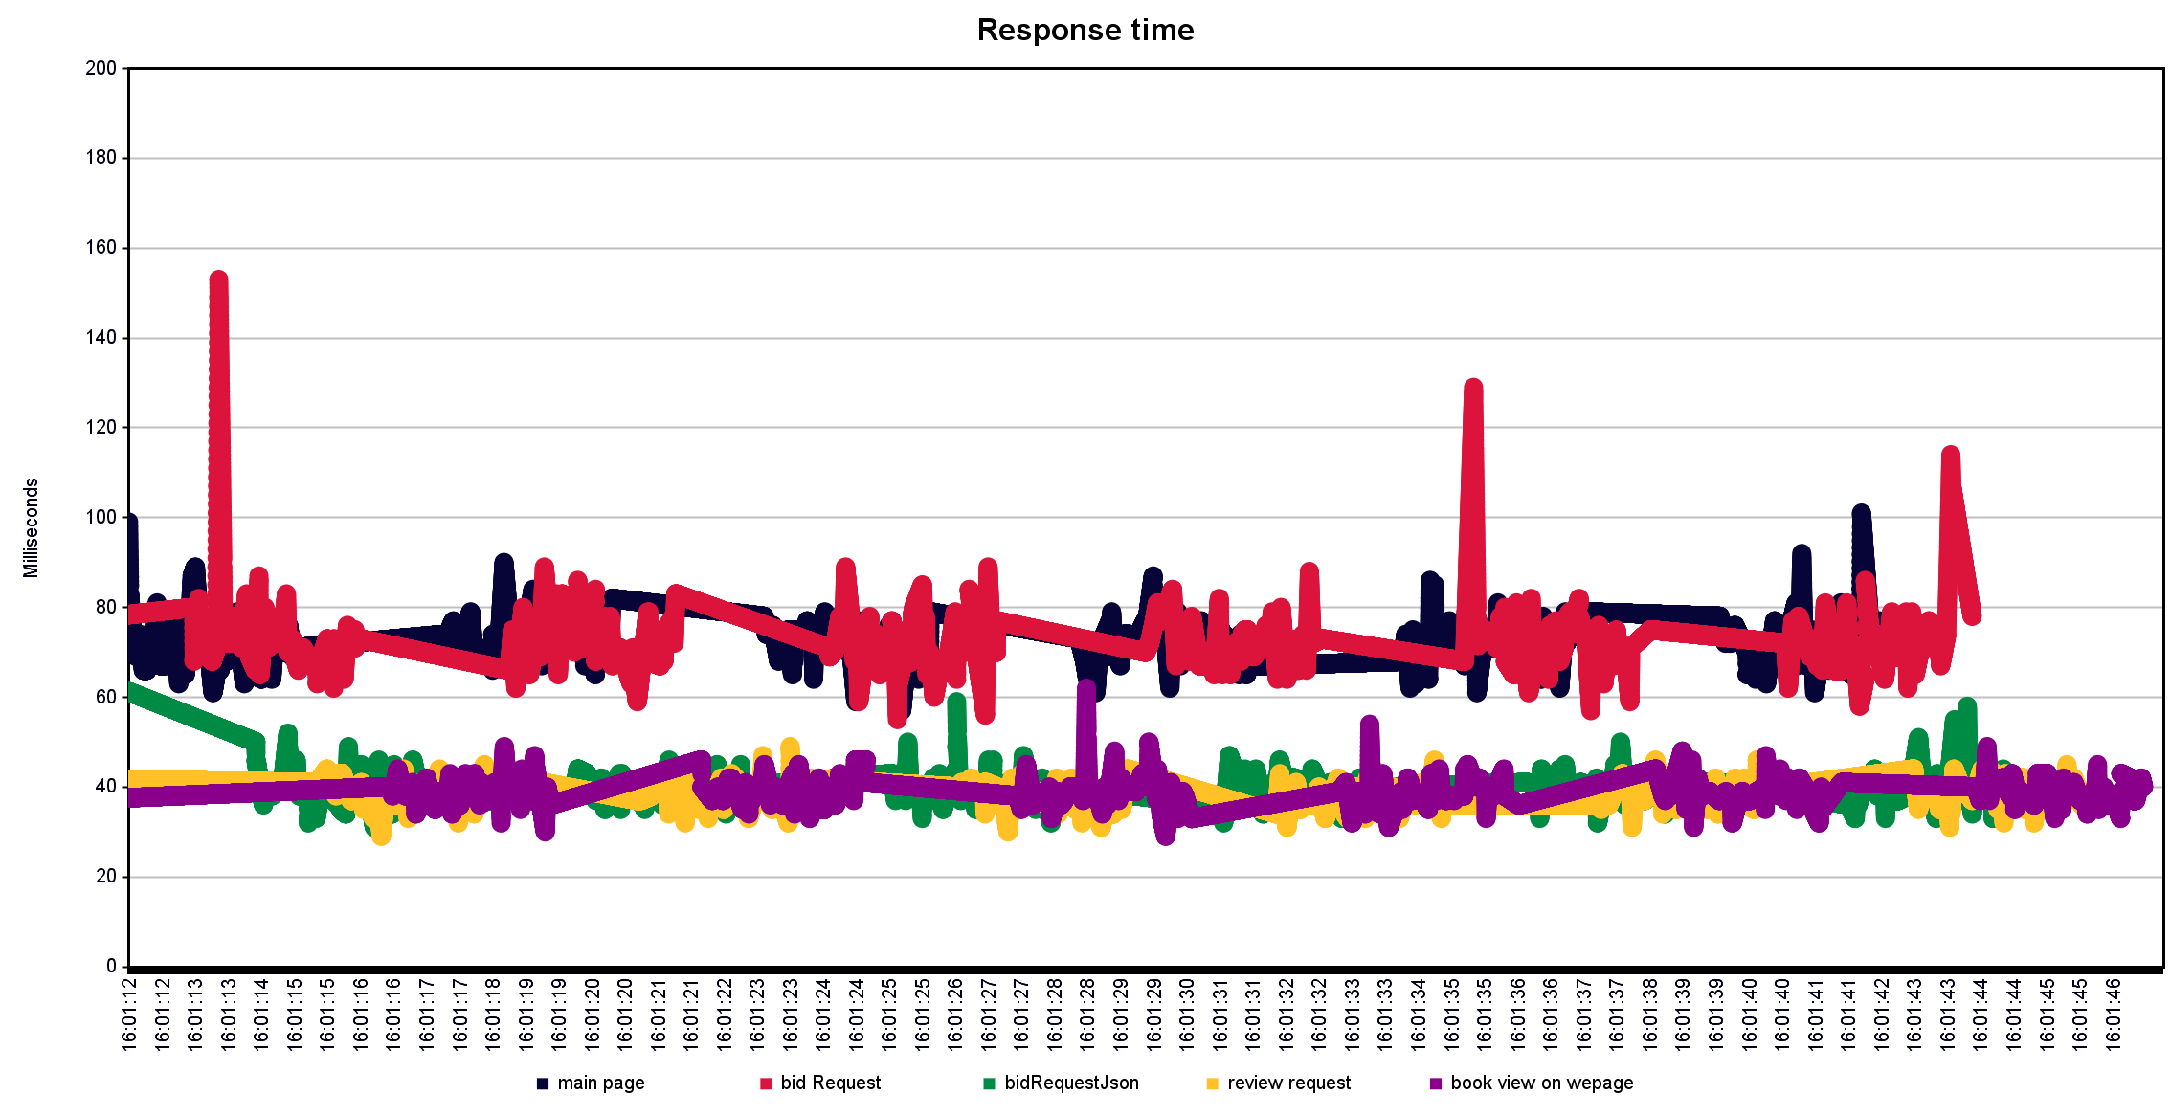
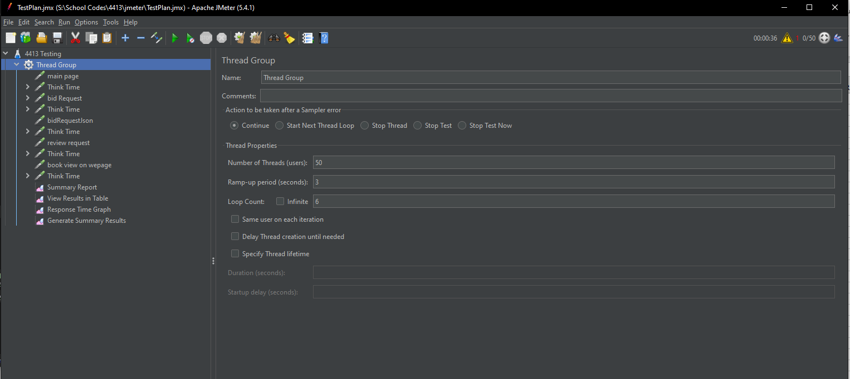
50 threads | 3s rampup | 6 loops | 36s

Label | # Samples | Average | Min | Max | Std. Dev. | Error % | Throughput | Received KB/sec | Sent KB/sec | Avg. Bytes
main page | 300 | 72 | 57 | 101 | 5.86 | 0.00% | 9.71377 | 25.3 | 1.63 | 2667
bid Request | 300 | 72 | 55 | 153 | 8.96 | 0.00% | 9.70748 | 2.27 | 1.91 | 239
bidRequestJson | 300 | 39 | 31 | 59 | 4.07 | 0.00% | 9.69869 | 65.1 | 1.94 | 6873
review request | 300 | 38 | 29 | 49 | 3.33 | 0.00% | 9.70152 | 4.56 | 1.92 | 481
book view on wepage | 300 | 39 | 29 | 62 | 3.84 | 0.00% | 9.69963 | 19.35 | 1.76 | 2043
TOTAL | 1500 | 52 | 29 | 153 | 17.37 | 0.00% | 42.50978 | 102.15 | 8.03 | 2460.6

Run 2 Summary
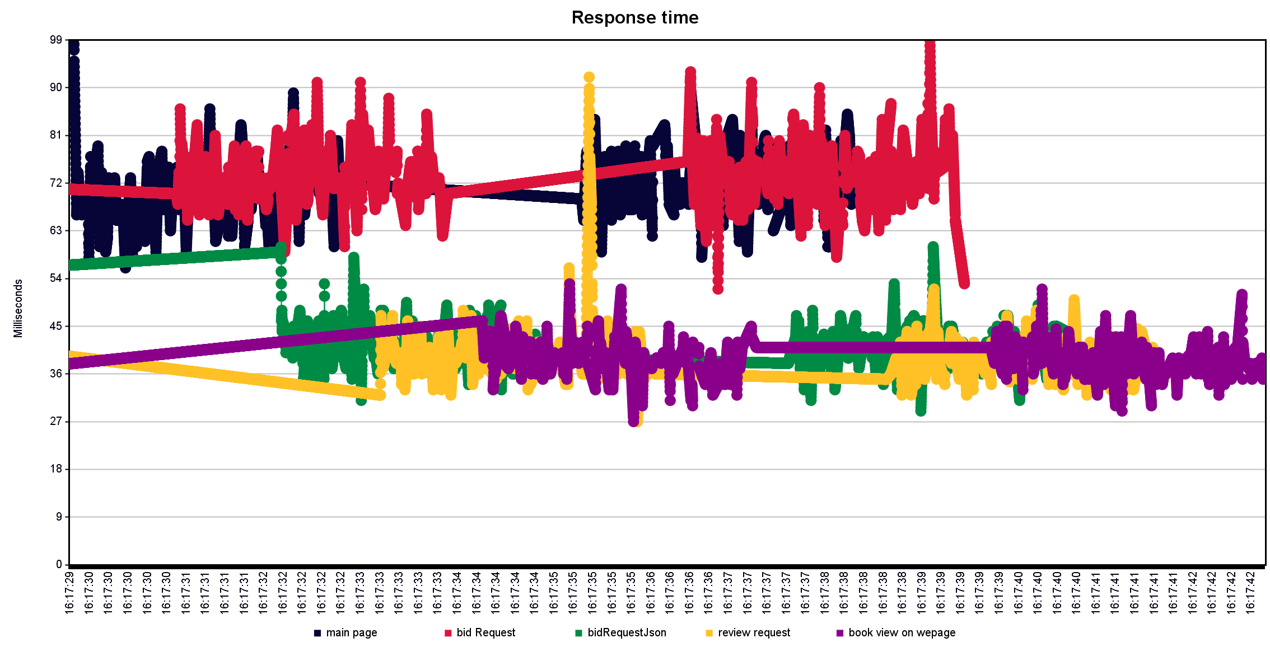
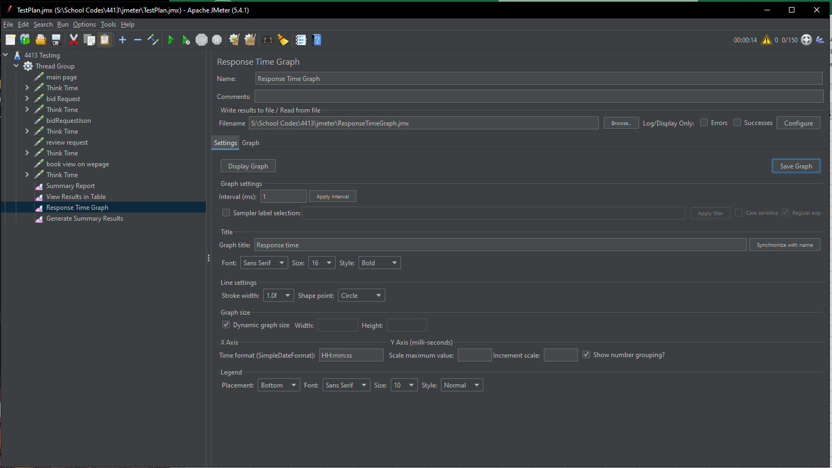
150 users | 3s ramp | 2 loops

Label | # Samples | Average | Min | Max | Std. Dev. | Error % | Throughput | Received KB/sec | Sent KB/sec | Avg. Bytes
main page | 300 | 72 | 56 | 149 | 11.43 | 0.00% | 34.98542 | 91.12 | 5.88 | 2667
bid Request | 300 | 74 | 52 | 99 | 6.65 | 0.00% | 35.04264 | 8.18 | 6.88 | 239
bidRequestJson | 300 | 41 | 29 | 60 | 4.63 | 0.00% | 35.16999 | 236.06 | 7.04 | 6873
review request | 300 | 39 | 27 | 92 | 5.73 | 0.00% | 35.15762 | 16.51 | 6.97 | 481
book view on wepage | 300 | 38 | 27 | 53 | 3.92 | 0.00% | 35.36485 | 70.56 | 6.42 | 2043
TOTAL | 1500 | 53 | 27 | 149 | 17.81 | 0.00% | 115.88381 | 278.46 | 21.89 | 2460.6

Run 3 Summary
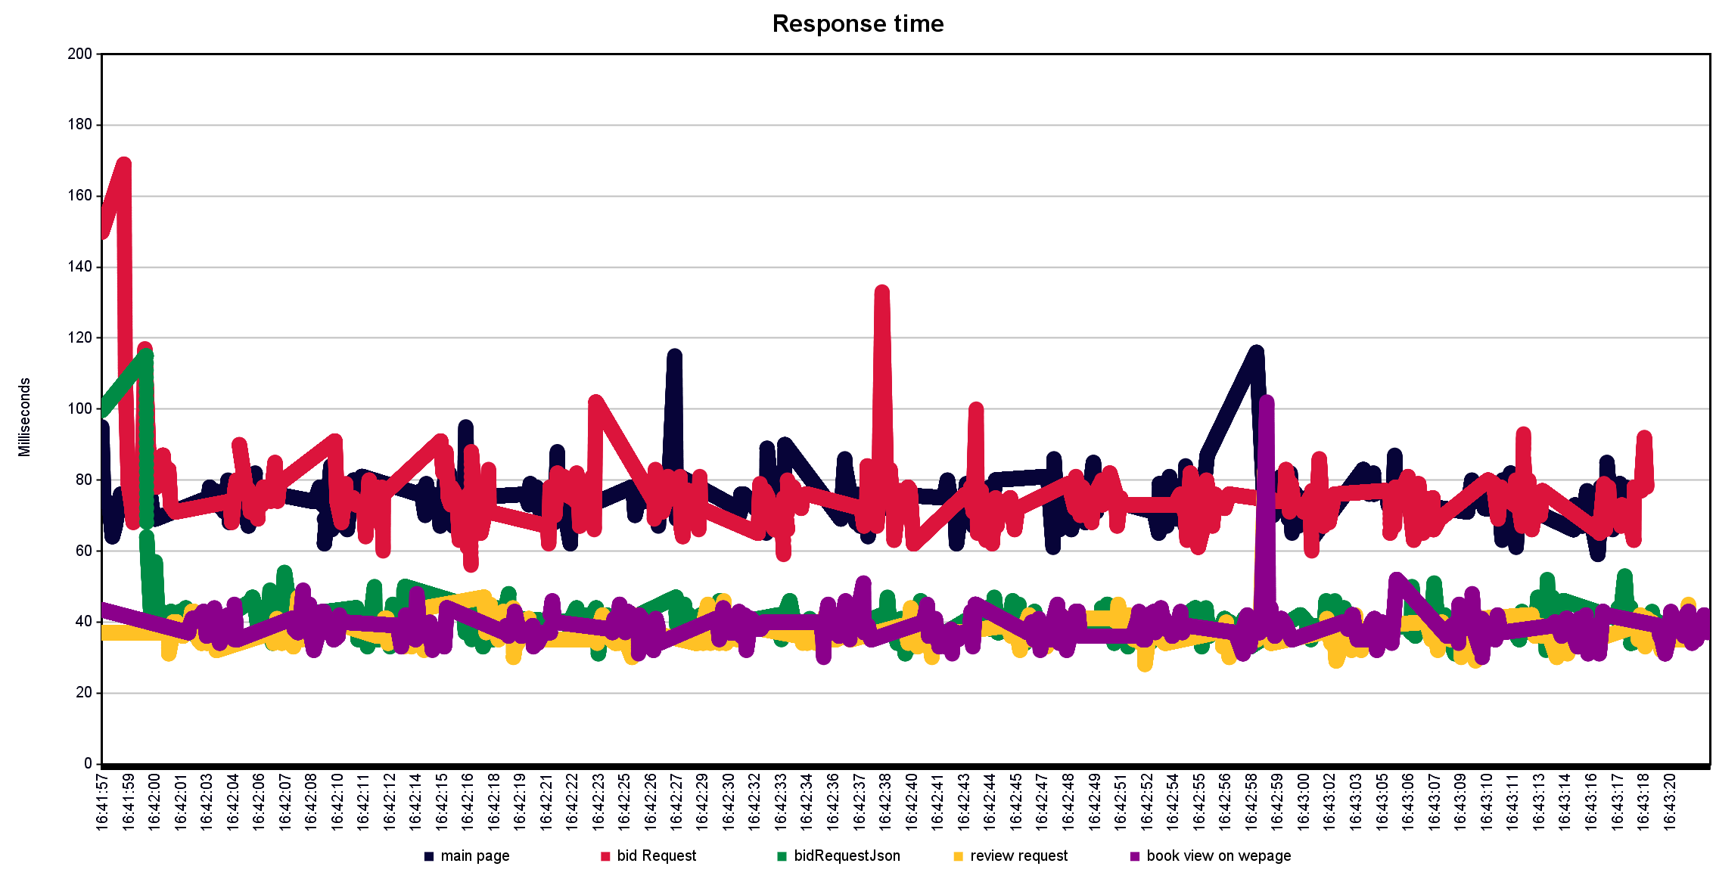
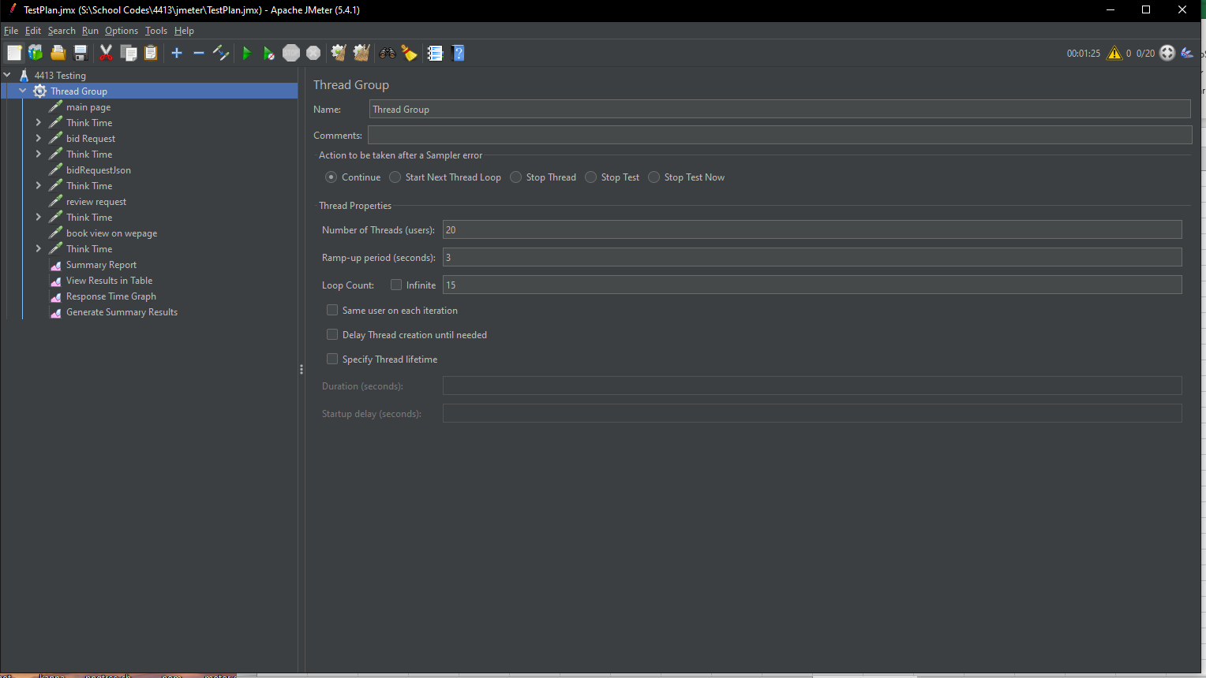
20 users | 3 second ramp |  | 15 loops |  | Less users more time |  |  | ran 1:25

Label | # Samples | Average | Min | Max | Std. Dev. | Error % | Throughput | Received KB/sec | Sent KB/sec | Avg. Bytes
main page | 300 | 74 | 59 | 116 | 6.3 | 0.00% | 3.73813 | 9.74 | 0.63 | 2667
bid Request | 300 | 75 | 56 | 169 | 9.54 | 0.00% | 3.74158 | 0.87 | 0.73 | 239
bidRequestJson | 300 | 39 | 31 | 115 | 6.13 | 0.00% | 3.74476 | 25.13 | 0.75 | 6873
review request | 300 | 37 | 28 | 83 | 4.29 | 0.00% | 3.75033 | 1.76 | 0.74 | 481
book view on wepage | 300 | 38 | 30 | 102 | 5.16 | 0.00% | 3.74878 | 7.48 | 0.68 | 2043
TOTAL | 1500 | 53 | 28 | 169 | 19.04 | 0.00% | 17.73071 | 42.61 | 3.35 | 2460.6

Run 4 Summary
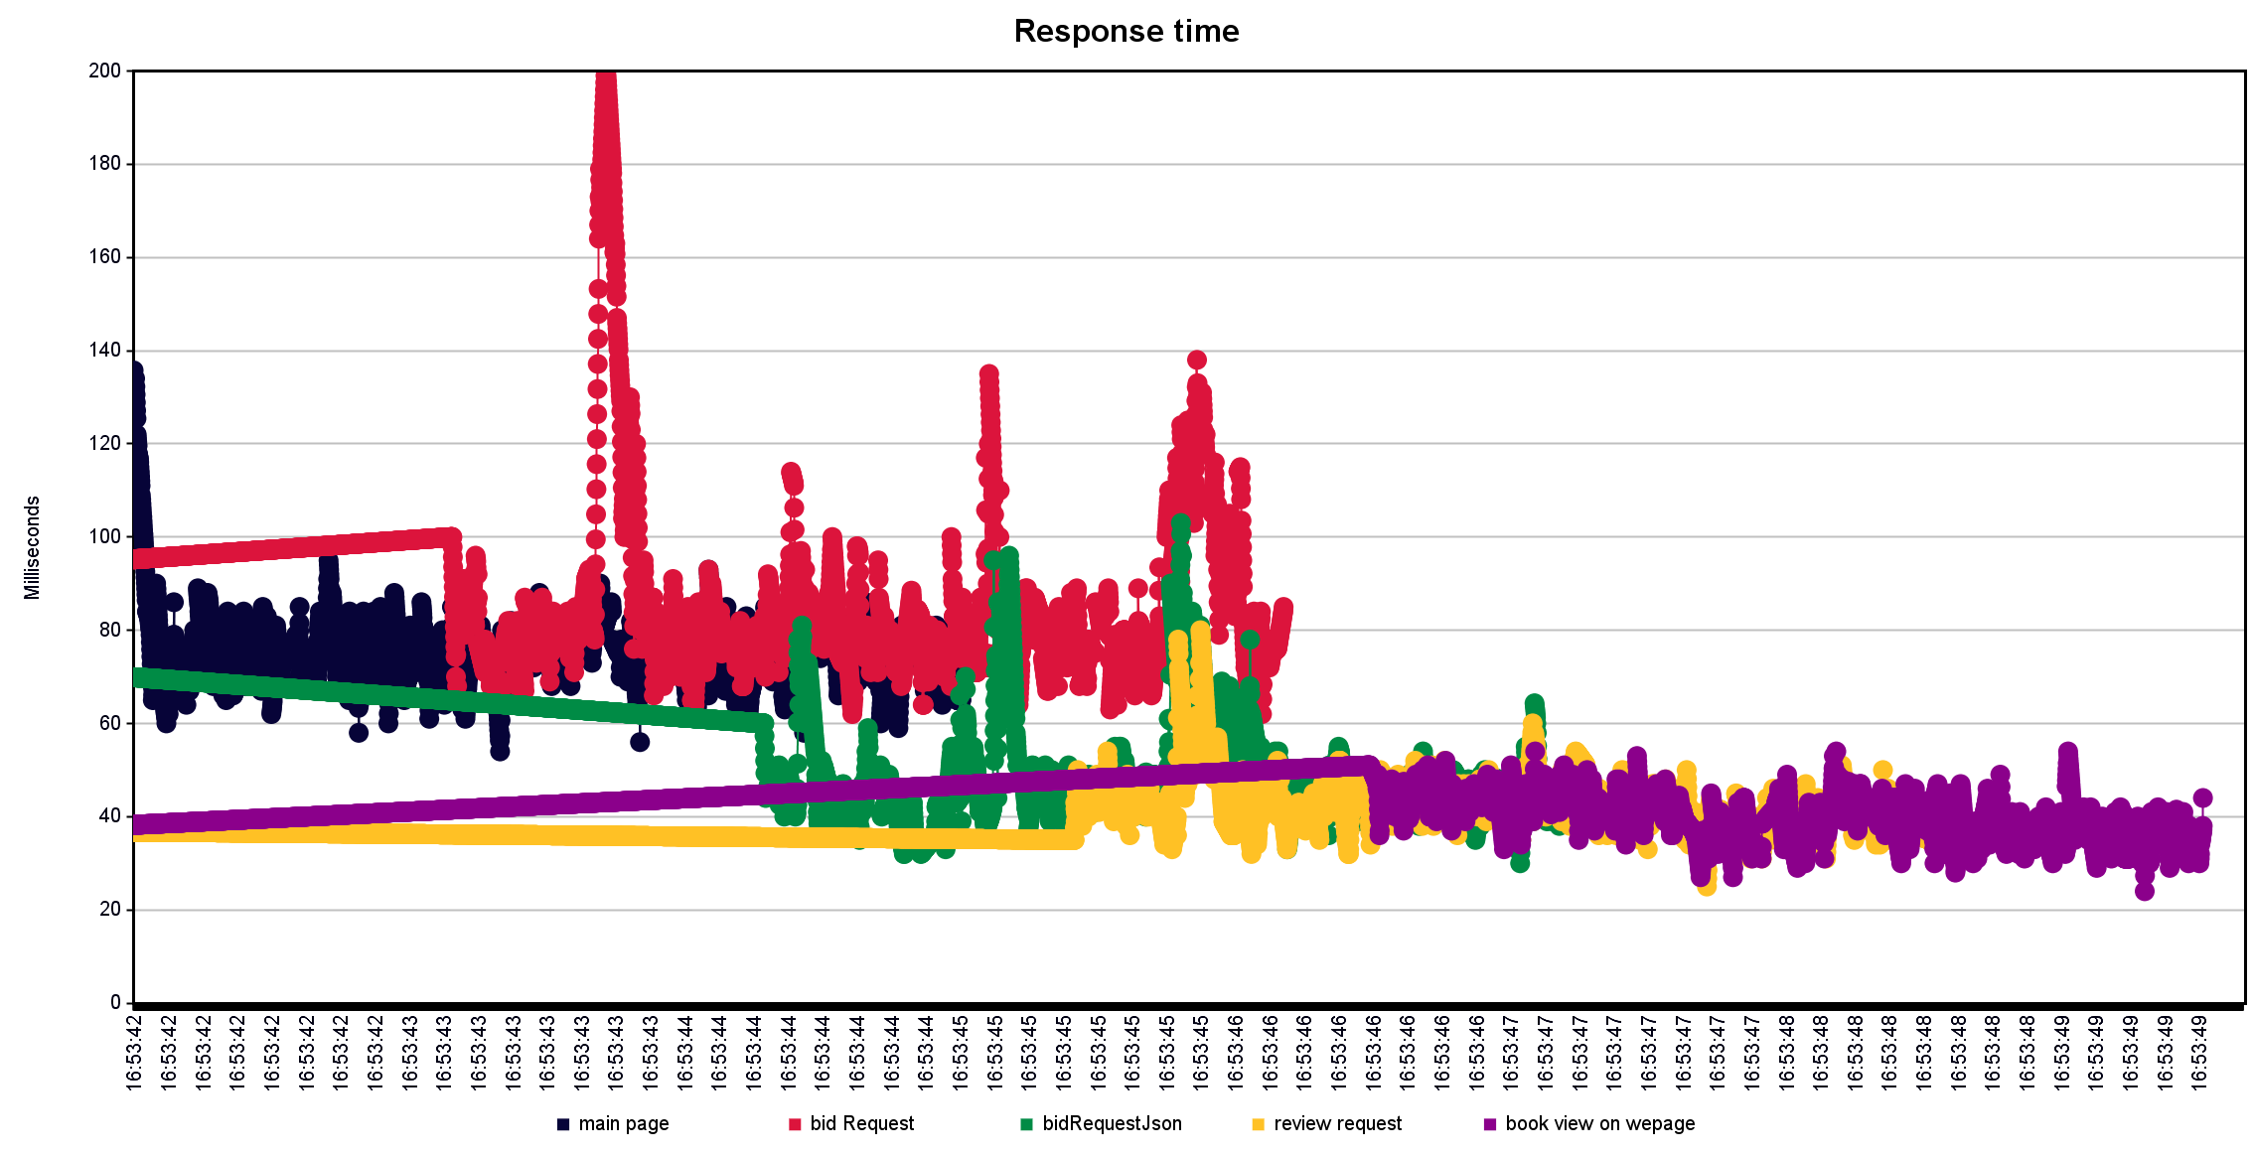
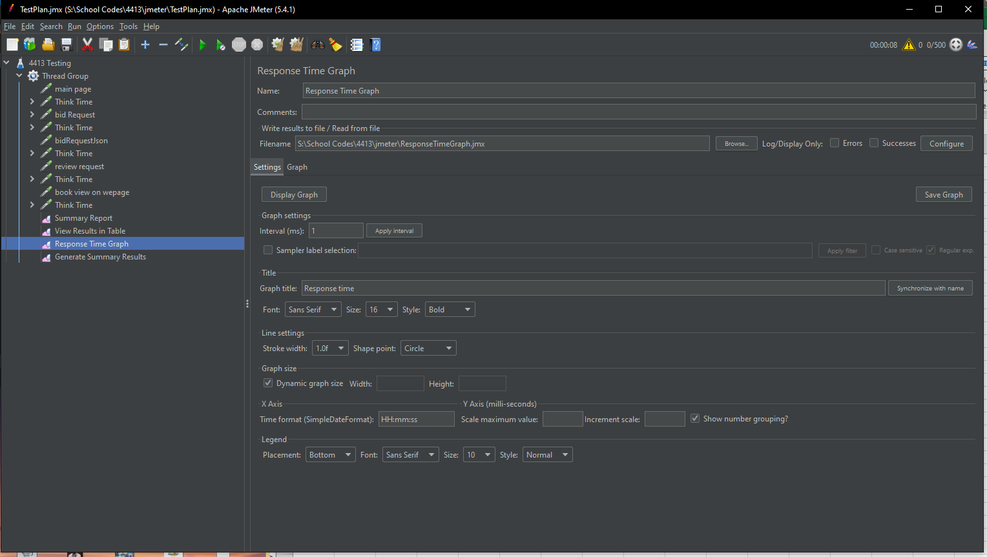
500 user | 3s ramp | 1 loop | Mass Traction |  | 8s

Label | # Samples | Average | Min | Max | Std. Dev. | Error % | Throughput | Received KB/sec | Sent KB/sec | Avg. Bytes
main page | 500 | 76 | 54 | 139 | 11.46 | 0.00% | 163.18538 | 425.02 | 27.41 | 2667
bid Request | 500 | 84 | 62 | 202 | 17.49 | 0.00% | 162.33766 | 37.89 | 31.87 | 239
bidRequestJson | 500 | 48 | 30 | 103 | 11.31 | 0.00% | 161.55089 | 1084.32 | 32.34 | 6873
review request | 500 | 42 | 25 | 80 | 6.35 | 0.00% | 160.61677 | 75.45 | 31.84 | 481
book view on wepage | 500 | 40 | 24 | 58 | 5.55 | 0.00% | 157.18328 | 313.6 | 28.55 | 2043
TOTAL | 2500 | 58 | 24 | 202 | 21.65 | 0.00% | 327.43942 | 786.81 | 61.84 | 2460.6

